2)Technical Info
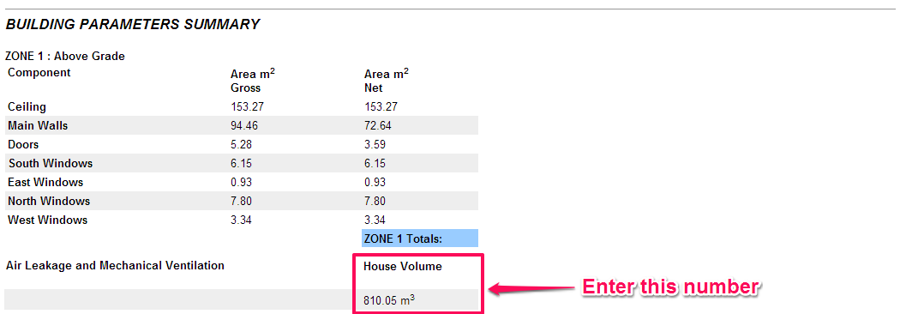
 | Technical Information |  | Building Envelope - Space heating energy consumption |  |  | Space Cooling
 | This report shall be completed by the Qualified Net Zero Energy Advisor. |  | Do not complete this section if compliance is achieved using gross space heat loss. This worksheet will help you determine if your proposed design meets the building envelope performance target of 33% better than code - using annual space heating energy consumption. For guidance see Section 5.0: Modelling Guidelines within the CHBA Net Zero Technical Procedures Guidebook. |  |  | This worksheet will help you determine if your design requires mechanical space cooling to qualify as a Net Zero Ready Home. To complete this step, add a space cooling system to your model. Run a full house report under standard operating conditions. If an air source heat pump(ASHP) is installed input N/A in each box as the space cooling calculation would not be required.
General
Energy Monitoring Device
 | Make:
 | Model:

 | The inputs below will be auto-filled |  | Building Envelope |  |  | Space Cooling
 | % Better than Reference - Envelope |  | NRCan Reference house: Energy consumption summary report |  |  | House Size
 | Percentage: | -- | ERS Reference house | Value |  | Building parameters summary | Value
 |  |  | a) Estimated space heating energy consumption |  | MJ | House volume |  | m³
 | Space Cooling Threshold
 |  | N/A | Annual space heating summary |  |  | Space Cooling Loads
 |  |  | Space heating system load | Value |  | Hot2000 report parameter | Value
 |  |  | a) ERS Reference house |  | MJ | Total annual sensible Load |  | MJ
 |  |  | b) Proposed house with standard operating conditions |  | MJ | Total annual latent Load |  | MJ
 |  |  |  |  |  | Total space cooling load | 0 | MJ
 |  |  | Building Envelope Performance Target
 |  |  | Reference house space heating energy consumption | 0 | MJ | Space Cooling Requirement
 |  |  | Space heating performance target | 0 | MJ | Estimated space cooling load | N/A | MJ/m³
 |  |  | Estimated house energy consumption w/ reference HVAC | -- | MJ
 |  |  | % improvement over code reference house | --

HOT2000 HELP
Note:
1) The HOT2000 file must be submitted using version 11.12, or newer.
2) The HOT2000 ruleset should be set to 'EnerGuide Rating System 2020 NBC'.

TEUI

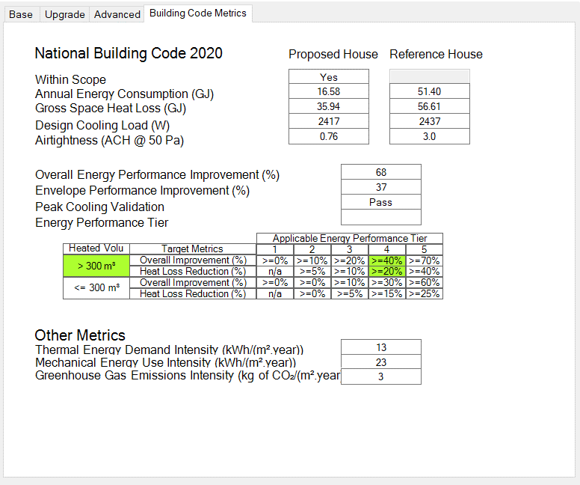

AEC

%OEI

MEUI

